Calculations
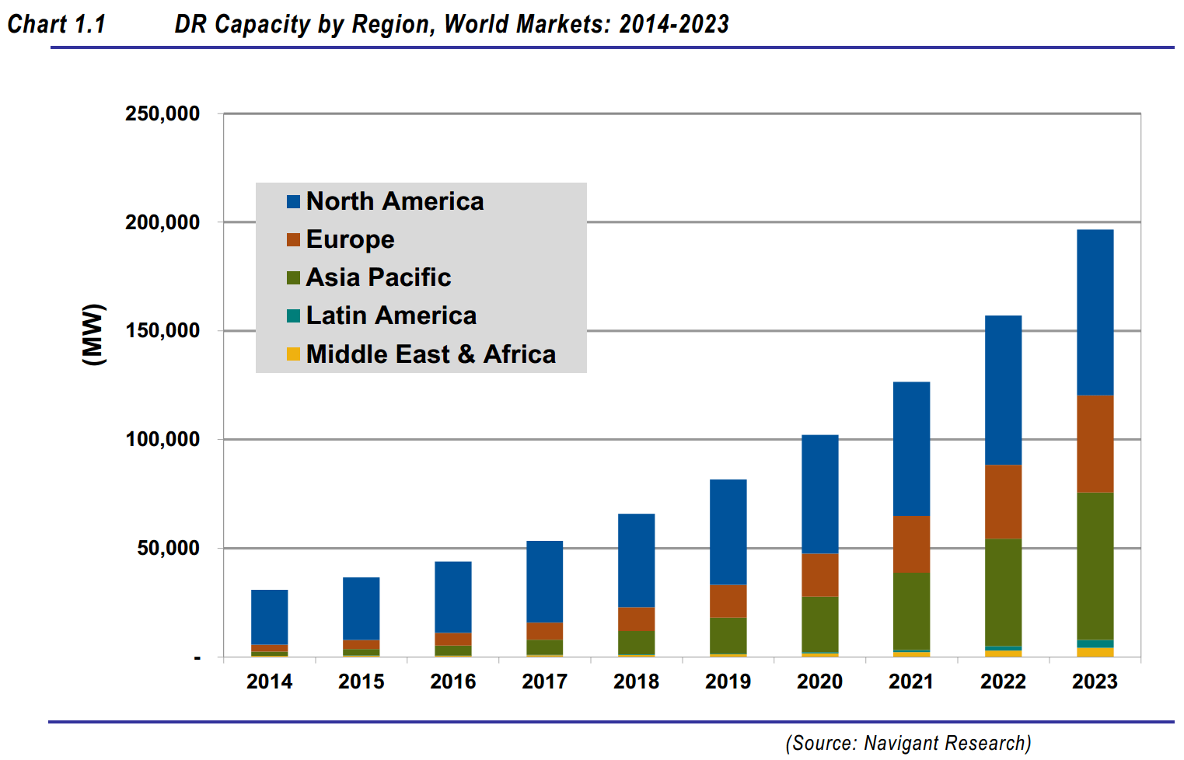
The Asia Pacific region includes China, Japan, Southeast Asia, and Oceania (Australia, NZ, etc.).
We assume that two and a half percent of the DR potential in the Asia Pacific region in this timeframe comes from
Indonesia (Indonesia may have more eventual potential, due to its forecasted growth in electricity demand large size, but it might be easier for
Japan, Australia, and NZ to implement DR faster.)

No table of numbers is provided, so we must measure the bars and the Y axis scale to the pixel in
order to estimate the value. The original graph was provided in vector format, so it was possible
to zoom in considerably before taking the screenshot embedded below without losing sharpness.
In Excel, measurements taken at 100% zoom level.

Pixels per 50 GW | Asia Pacific DR Capacity in 2023 (pixels) | Asia Pacific DR Capacity in 2023 (GW) | Fraction of Asia Pacific Attributed to China | Indonesia DR Capacity in 2023 (GW)
96 | 131 | 68 | 0.025 | 2

For linear interpolation/extrapolation
Year | Potential DR Capacity (GW)
2013 | 0
2023 | 2

